Sheet1
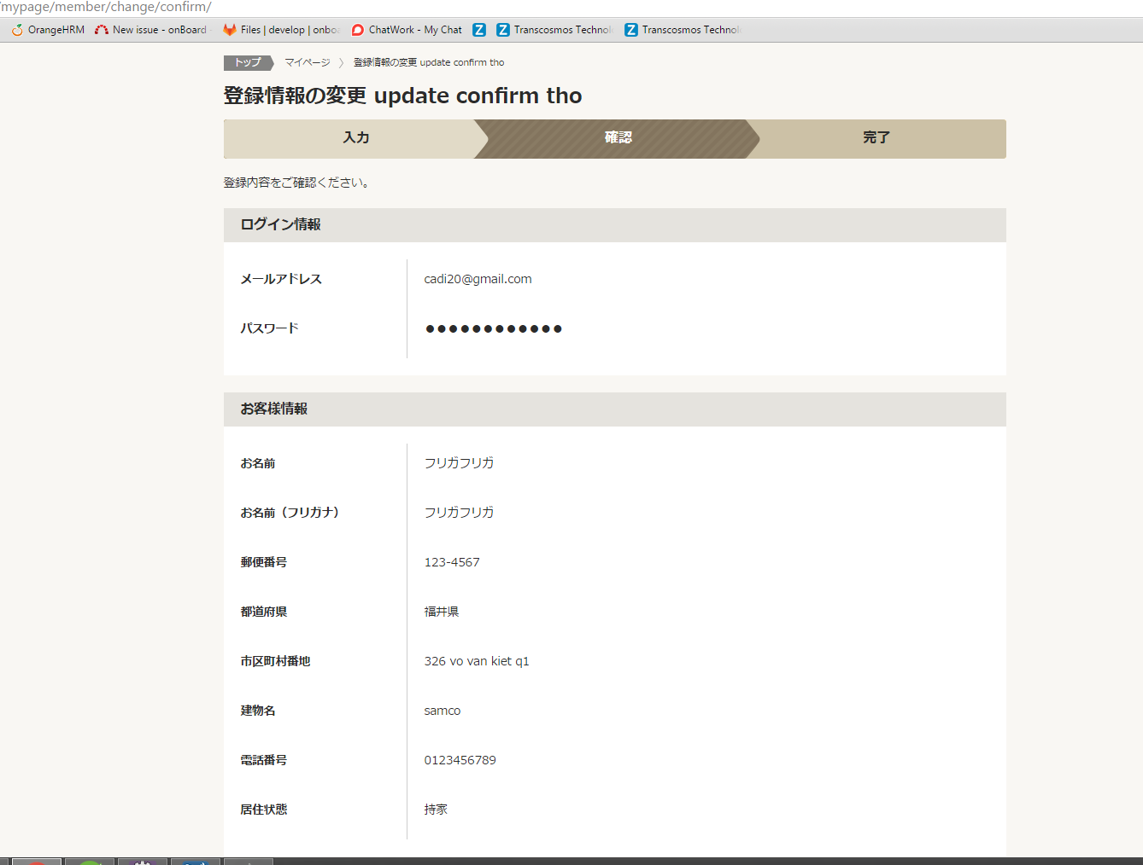
 | Webfontpana

url:mypage/member/change/confirm/ | View | MemberUpdConfirm.jsp
 | Filter | web.xml | EncodeFilter BaseFilter CookieSupportCheckFilter

 | Controller | MemberConfirmCommand.Java
Model: model.member.* | Service | PanaCommonManageImpl.Java PanaMypageUserManageImpl.Java
 | DAO | StarJoinDAO.Java ReflectingDAO.Java
 | VO
 | Url mapping | myPageEdit.xml |  | <bean class="jp.co.transcosmos.dm3.servlet.URLCommandViewMapping"> <property name="urlPattern" value="/mypage/member/change/confirm/" /> <property name="defaultCommandName" value="memberUpdConfirmCommand" /> <property name="defaultViewName" value="/WEB-INF/jsp/front/mypage/MemberUpdConfirm.jsp" /> <property name="namedViews"> <props> <prop key="input">/WEB-INF/jsp/front/mypage/MemberUpdInput.jsp </prop> </props> </property> </bean> <bean id="memberUpdConfirmCommand" class="jp.co.transcosmos.dm3.webFront.mypage.command.MemberConfirmCommand" scope="prototype"> <property name="userManager" ref="mypageUserManager" /> <property name="panamCommonManager" ref="panamCommonManager" /> <property name="mode" value="update" /> </bean>

 | Beans | applicationContext-test.xml |  | <bean id="panamCommonManager" class="jp.co.transcosmos.dm3.corePana.model.common.PanaCommonManageImpl"> <property name="prefMstDAO" ref="prefMstDAO" /> <property name="addressMstDAO" ref="addressMstDAO" /> <property name="routeMstDAO" ref="routeMstDAO" /> <property name="stationMstDAO" ref="stationMstDAO" /> <property name="zipMstDAO" ref="zipMstDAO" /> <property name="stationRouteInfoDAO" ref="stationRouteInfoDAO" /> <property name="panaRouteMstListDAO" ref="panaRouteMstListDAO" /> <property name="equipMstDAO" ref="equipMstDAO" /> <property name="rrMstDAO" ref="rrMstDAO" /> </bean> <bean id="panaMypageUserManager" class="jp.co.transcosmos.dm3.corePana.model.member.PanaMypageUserManageImpl"> <property name="valueObjectFactory" ref="valueObjectFactory"/> <property name="memberListDAO" ref="panaMemberListDAO" /> <property name="userInfoDAO" ref="userInfoDAO" /> <property name="memberInfoDAO" ref="memberInfoDAO" /> <property name="passwordRemindDAO" ref="passwordRemindDAO"/> <property name="memberQuestionDAO" ref="memberQuestionDAO"/> <property name="mypageFormFactory" ref="mypageUserFormFactory"/> <property name="commonParameters" ref="commonParameters"/> </bean>

